TestSummary
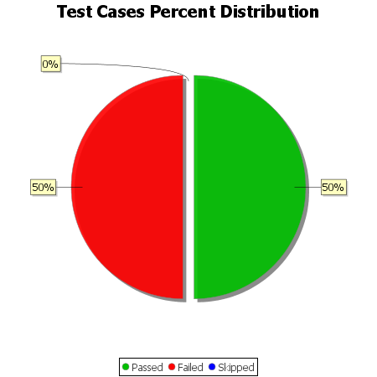
Total Test Cases | 8
Test Cases Passed | 4
Test Cases Failed | 4
Test Cases Skipped | 0

